Entity Model
Entity | Attribute | Constraint

Location | ID | <string[7]>
 | Name | <string[128]>
 | SiteCode | <string[7]> | SiteCode refers to the root of the location hierarchy. SiteCode has been denormalised to be incluided in all child Location nodes, to optimise data storage and queries, and to simplify API paths.
 | Category | location_category=Site/Facility/Indoor|Outdoor | Locations are hierarchically composed such that location_category=Site/Facility/Indoor|Outdoor. For example a Site (GPS) contains a Facility which contains floors and rooms
 | Subcategory | location_subcategory
 | ParentLocation | Location | The parent in the Location hierarchy (Site/Facility/Indoor|Outdoor)

Asset | ID | <string[7]>
 | Name | <string[128]>
 | Location | Location | The installed location of the Asset

Datapoint | ID | <string[8]>
 | Name | <string[128]>
 | Stage | energy_stage
 | Category | asset_category
 | Subcategory | asset_subcategory
 | Function | asset_function
 | Asset | Asset | The Asset being monitored by this Datapoint

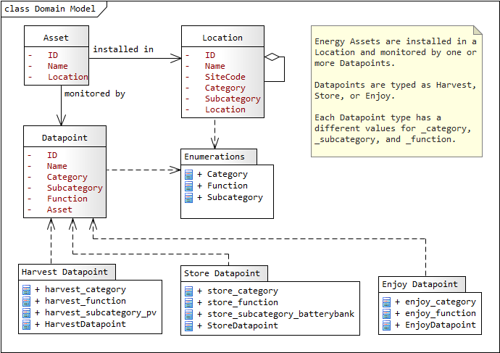

 |  |  |  |  |  |  |  |  | skeleton | estonia | 1mw
 |  |  |  |  |  |  |  |  |  | supercapacitor
 |  |  |  | 30-50c / kwH | oil
 |  |  |  | pv

 |  |  |  | 10-100mw |  |  |  | gw
 |  |  | vatsila | micrgrids | 65gw | 5gwh | 1
 |  |  | cham

 |  |  | gigafasa | finland

 |  |  |  |  |  | 605 | 1210
 |  |  |  |  |  | 0.605 | 1.21 | MW
 |  |  |  |  |  | 605 | 1210
 |  |  |  |  |  | 1.652892562 | 0.82644628099
 |  |  |  |  |  |  | 1000

 |  |  |  |  |  | 82.644628099 | 41.32231405

 |  |  |  | gigafasa
 |  |  |  | cham | geely | 70 million

 |  |  |  | 300 cycles | 80% |  |  | faldi
 |  |  |  | 1000 in lab test |  |  |  | hse | 30-40% capacity |  | 50000 km
 |  |  |  | ev - 56000
 |  |  |  |  | energy out, balance

graphs
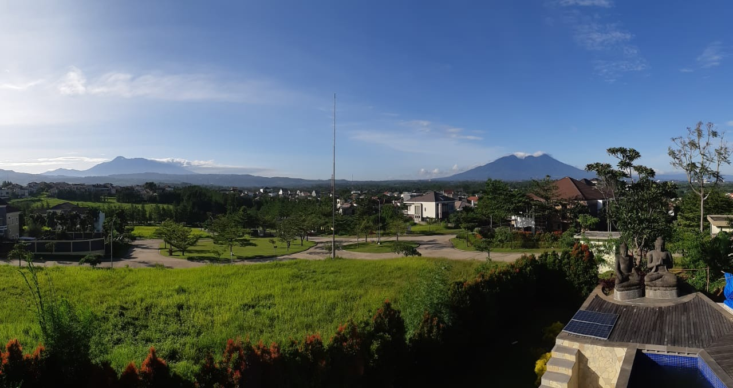
Double-entry data visualisation
yes ...all the stuff that is dirty... so when you see a graph with lot of black in it you need to do something about it...
When there is lot of black at the bottom; you need to get more battery capacity...
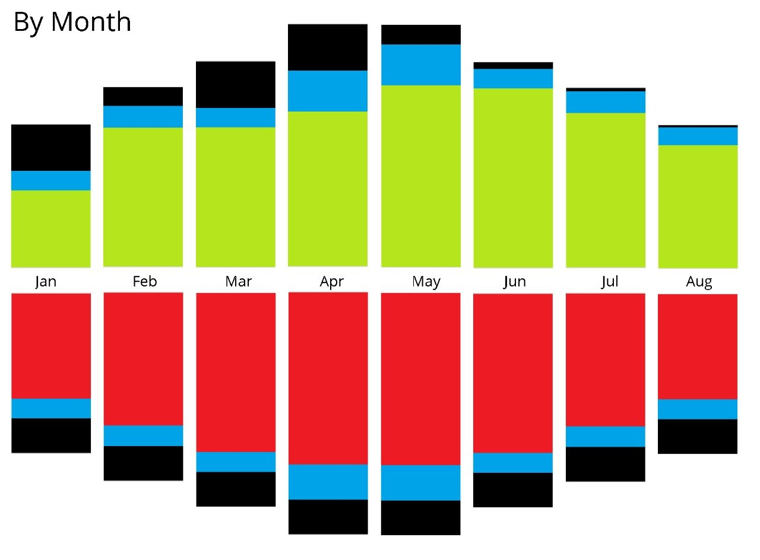
this is the double entry (up and down bar is same size)
in 1st hour all energy enjoyed came from the battery;
in 2nd hour half came from battery and other half from grid.
in 3rd hour all came from grid.
in 4th hour sun starts delivering,
in 10th hour harvest is more than enjoy and starts storing...
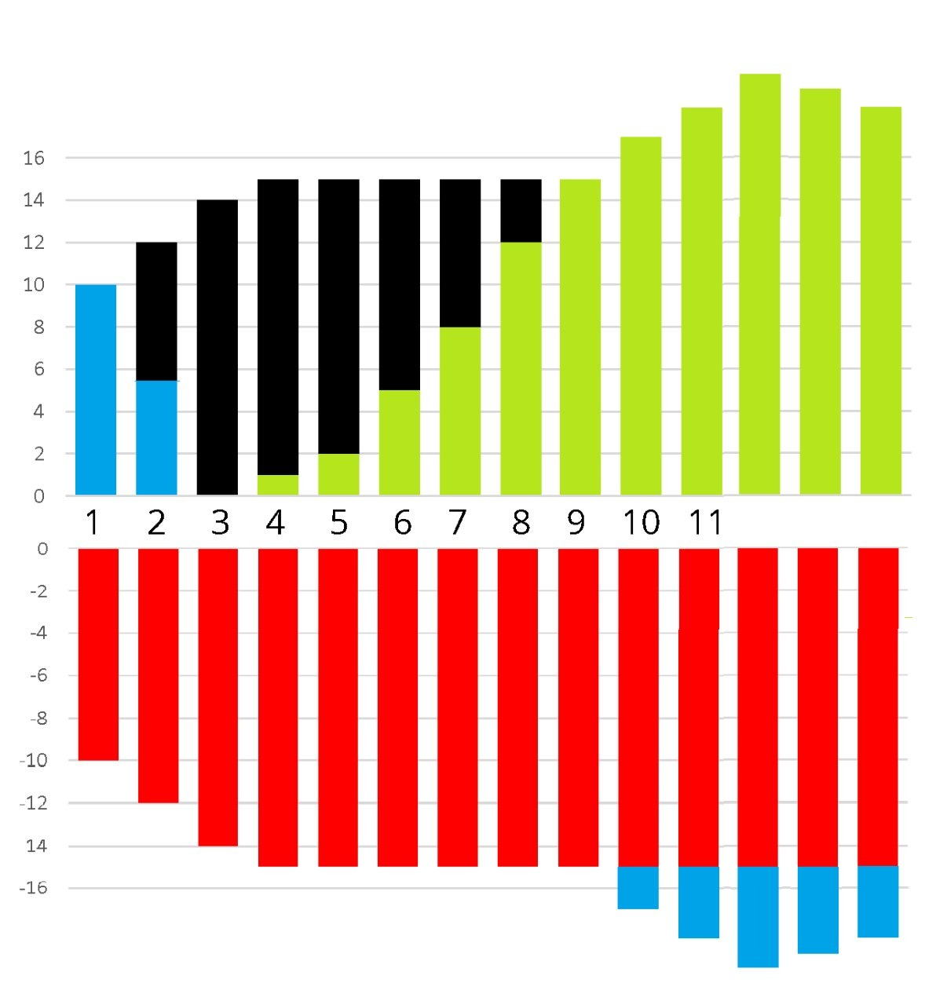

Energy Flows across G,H,S,E
 |  |  |  |  |  |  | Grid
 |  |  |  |  |  |  | Harvest
 |  |  |  |  |  |  | Enjoy
 |  |  |  |  |  |  | Store
 |  |  |  |  |  |  |  |  | Grid | Harvest | Enjoy | Store
 |  |  |  |  |  |  |  | Grid |  |  | G- E+ | G- S+
 |  |  |  |  |  |  |  | Harvest | H- G+ |  | H- E+ | H- S+
 |  |  |  |  |  |  |  | Enjoy
 |  |  |  |  |  |  |  | Store | S- G+ |  | S- E+
 | Enjoy + |  |  | Grid + | Store + | Store +

-
+

 | Grid - | Store - | Harvest - |  |  | Grid -

